Flow charts
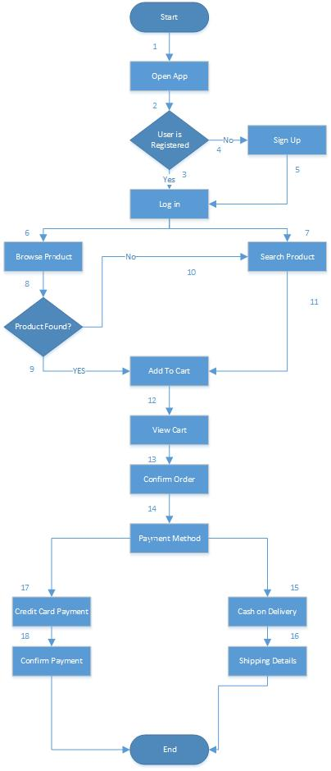
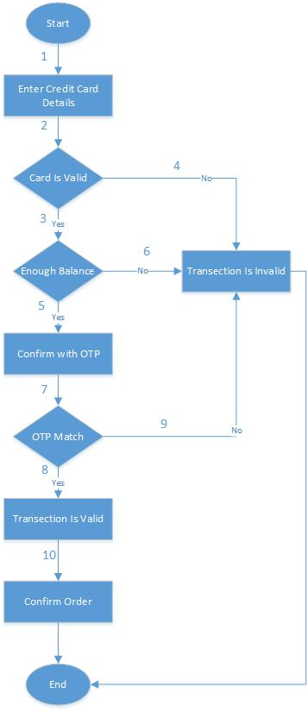
Flow Chart Of Online Order System | Flow Chart Of Credit Card Payment

